SAT-OVM-MAO-04
▣ Scenario SAT-OVM-MAO-04 :System Monitoring

OVMC
Save Event/Log
Receive Data/Event/Log
Connect
Accept
OSCVM
▶ Desc & Flow
Description |  | OVMC stores a monitoring data. These data consist of alarms, events, message of status, log files.
Biz flow ( It describe briefly )

▶ Advance preparation
Preparation |  | OVMC 1 EA, OSCVM 1 EA

▶ Data
NO | Item | 1 | 2 | 3 | 4 | 5
1 | N/A

001
Test Case -SAT-OVM-MAO-04-001 : Save Event/Log

1. Test Scenario
Test date |  | 1st |  | Tester |  | 1st
 |  | 2nd |  |  |  | 2nd
 |  | 3rd |  |  |  | 3rd

Make a Event
Make a Log
Save Event and Log
Description |  | Save Event/Log |  |  |  |  | Written by
Flow

NO | Task | Test data | Expected result | Person in charge | Result |  | Pass/Fail |  |  | Remark
 |  |  |  |  |  |  | 1st | 2nd | 3rd
1 | [ Make a Event ] 1.A event is made | Test Data A: A event | Success to Make |  | 1st
 |  |  |  |  | 2nd
 |  |  |  |  | 3rd |  |  |  |  |  | v
2 | [ Make a Log ] 1.A log is made | Test Data B: A log | Success to Make |  | 1st
 |  |  |  |  | 2nd
 |  |  |  |  | 3rd
3 | [ Save Event and Log] 1.OSCVM receives event and log 2.OSCVM saves event and log |  | Success to save |  | 1st |  |  |  |  | Test Data:C and Test Data:D
 |  |  |  |  | 2nd
 |  |  |  |  | 3rd

NO | Item
A | A event
B | A log
C | 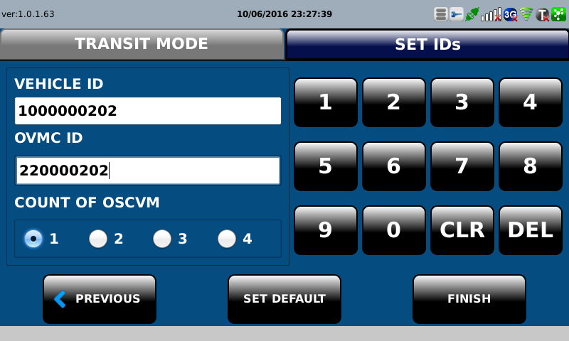 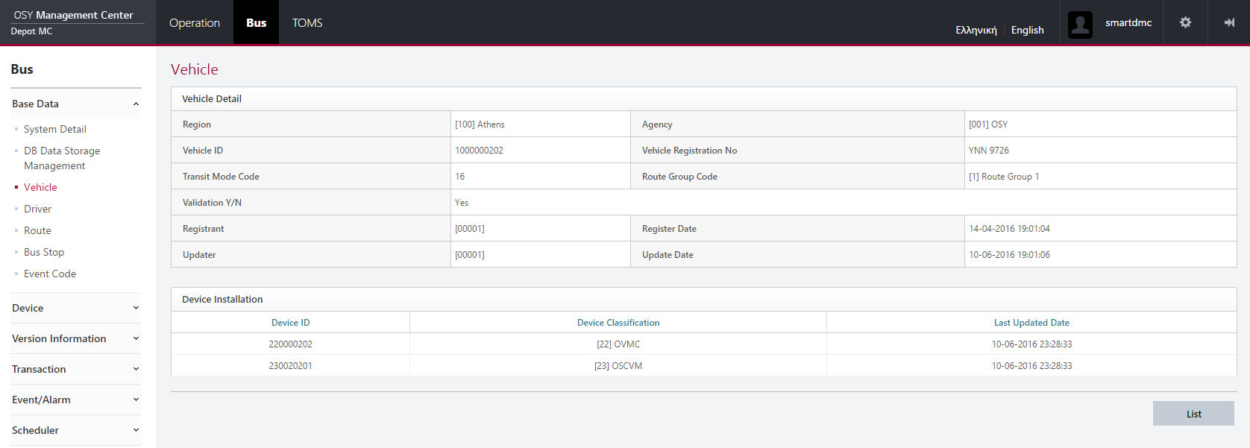

D | 